Sheet1
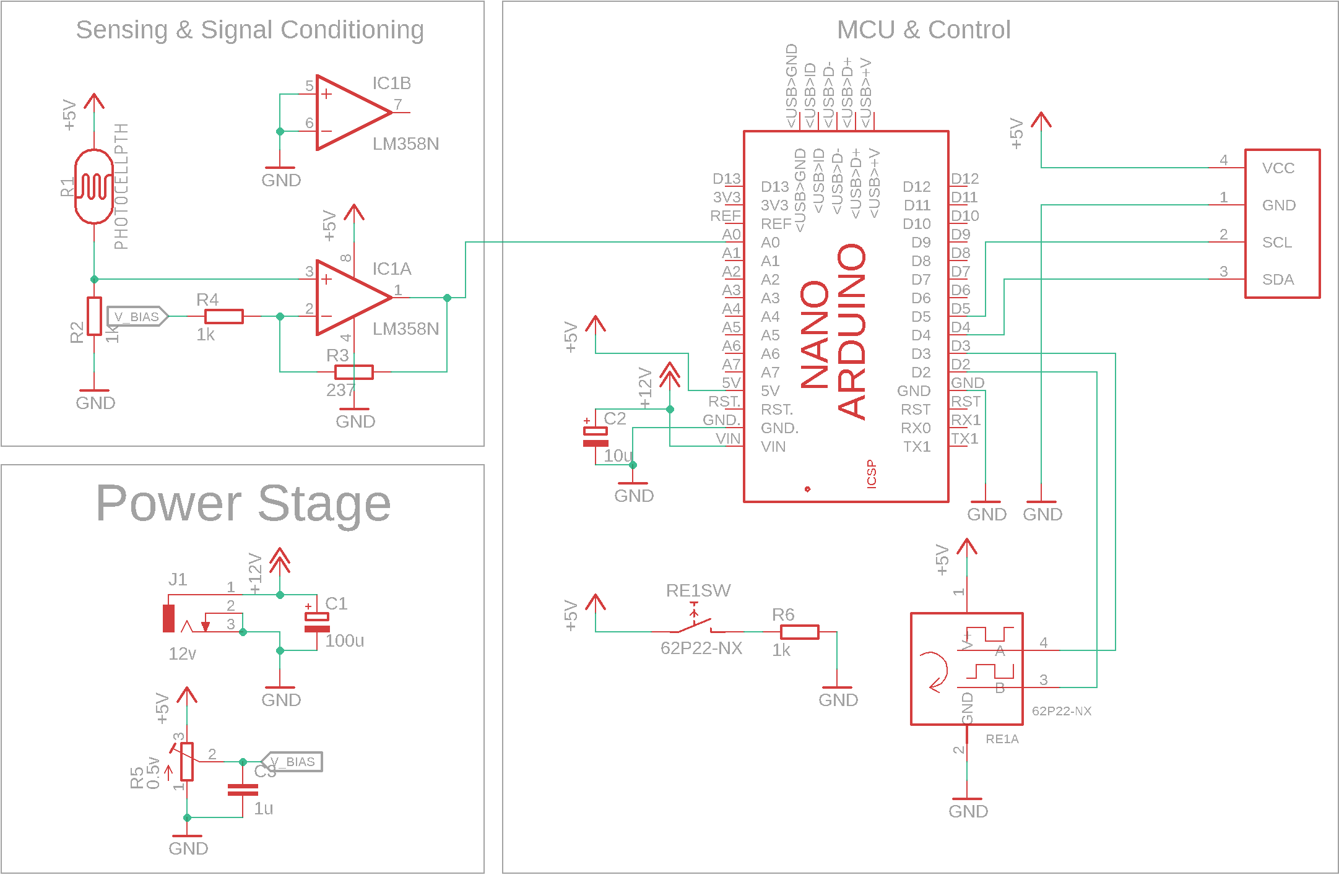
Qty | Value | Description | Links | Price (Est)
1 | 10k | Trimm resistor | https://www.evselectro.com/potentiometers/3296/3296-10k-ohm-180 | 15
3 | 1k | RESISTOR 1% Tolorence | https://www.evselectro.com/resistors/1-8w-1/1k-ohm-18w-1-5433 | 6
1 | 237 | RESISTOR 0.1% Tolorence | https://www.evselectro.com/resistors/1-8w-0-1/237-ohm-0.1-3942 | 5
1 | 100u | POLARIZED CAPACITOR | https://www.evselectro.com/capacitors/polarized/16v/100uf-16v-474 | 3
1 | 10u | POLARIZED CAPACITOR | https://www.evselectro.com/capacitors/polarized/16v/10uf-16v-358 | 3
1 | 1u | NON POLAR CAPACITOR | https://www.evselectro.com/capacitors/non-polarized/ceramic-multilayer-capacitors/1-uf-ceramic-multilayer-capacitors-6777 | 3
1 | 12v | DC POWER JACK | https://www.evselectro.com/connectors/dc-connectors/connectors-dc-socket-5.5mm-pcb-1160 | 15
1 | LM358N | LM358 Op Amp | https://www.evselectro.com/op-amp-ics-lm358p-duel-558?search=LM358 | 11
1 | PHOTOCELLPTH | LDR | https://www.evselectro.com/ldr-ldr-3mm-967?search=LDR | 50
1 | Rotory Encoder | Rotory Encoder | https://www.evselectro.com/potentiometers-12mm-rotary-encoder-switch-w.-keyswitch-hq-3029?search=ENCODER | 185
1 | ARDUINO_NANO | Arduino Nano | https://www.theicshop.org/product/arduino-nano-v3-0-in-pakistan-copy/ | 300
1 | I2C_OLED | 0.96" OLED Display | https://megaeshop.pk/0-96-inch-4pin-white-iic-i2c-oled-display-module-12864-led-for-arduino.html | 350
1 | NA | Perforated Board 3x4 inch |  | 87
4 | 6mm M3 | PCB Stand off | https://www.evselectro.com/pcbs/pcb-spacers-standoffs/female-x-female-40mm-round-pcb-standoff-spacer-5059 | 40
8 | M3 | Screws | ME Workshop | 40
1 | 12v | Wall Adapter | https://www.evselectro.com/power-supply/ac-to-dc/12v-dc-300-mamp-hq-3884 | 150
1 | 4x5 inch | Transparent Acrylic Project Enclosure | http://www.hammondmfg.com/1591CLRB.jpg | 200
 |  |  | Total Cost | 1463

